
 |  |  |  | CODE: |  |  | pl1053 aa SN from 96D673
DESCRIPTION: |  | HAND BRAKE |  | BREMSE | FREIN | FRENO | FRENO A MANO
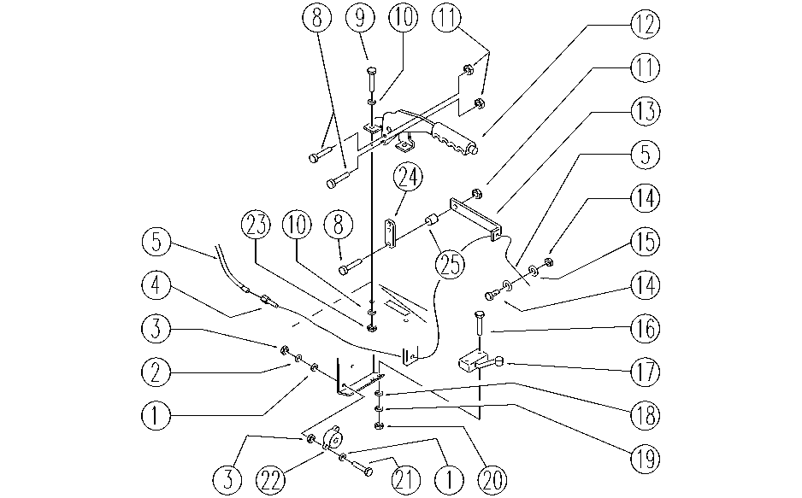

REF. | CODE | DESCRIPTION | QT
1 | SL06009 | WASHER | 4
2 | E89275 | Washer | 2
3 | E89274 | Nut | 4
4 | SL14222 | REGISTER | 1
5 | SL14210 | CABLE | 1
8 | SL04023 | SCREW | 3
9 | E89486 | Screw | 2
10 | E86707 | Cham Washer D10 | 4
11 | E86853 | Nyloc Hex Nut, M8 Zinc | 3
12 | SL20042 | LEVER | 1
13 | SL09731 | SMALL BRACKET | 1
14 | SL14212 | CLAMP | 1
15 | E88091 | Washer | 2
16 | SL04197 | SCREW | 2
17 | E86828 | Microswitch | 1
18 | E86797 | Washer | 2
19 | E86769 | Washer | 2
20 | SL05012 | NUT | 2
21 | E86597 | screw | 2
22 | SL23354 | INDICATOR | 1
23 | E86552 | nut | 2
24 | SL09722 | BLOCK / LOCK | 1
25 | SL07062 | SCREW | 1

